Daily Power Station Chart_15-01
Plant_04/03/2025Chart

Plant:odco1 |  |  | Installed Capacity:111.180kWp
Today Yield(kWh):541.400kWh |  | Today Earning:216560.000TND |  | Today Full Load Hours(h):4.87h

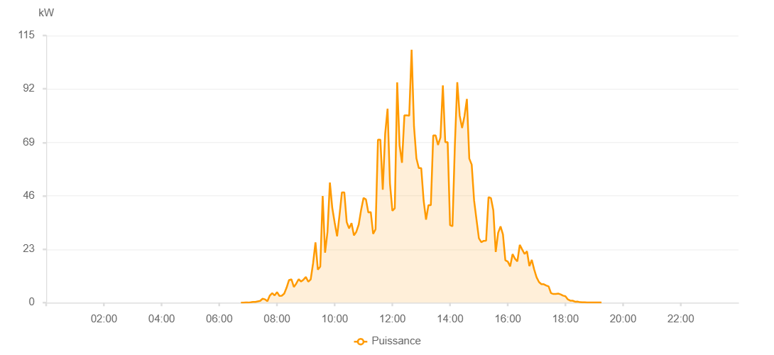

Number | Time | Working State | PV(W) | Instantaneous Radiation(W/㎡)
1 | 04:40:00 | Online | 0.00001 | 0.00001
2 | 05:15:00 | Online | 0.00001 | 0.00001
3 | 05:30:00 | Online | 0.00001 | 0.00001
4 | 05:40:00 | Online | 0.00001 | 0.00001
5 | 05:45:00 | Online | 0.00001 | 0.00001
6 | 05:55:00 | Online | 0.00001 | 0.00001
7 | 06:10:00 | Online | 0.00001 | 0.00001
8 | 06:15:00 | Online | 0.00001 | 0.00001
9 | 06:45:00 | Online | 20.00000 | 0
10 | 06:50:00 | Online | 290.00000 | 0
11 | 06:55:00 | Online | 340.00000 | 0
12 | 07:00:00 | Online | 490.00000 | 0
13 | 07:05:00 | Online | 560.00000 | 3.00000
14 | 07:10:00 | Online | 890.00000 | 6.00000
15 | 07:15:00 | Online | 1130.00000 | 8.00000
16 | 07:20:00 | Online | 1680.00000 | 14.00000
17 | 07:25:00 | Online | 2120.00000 | 15.00000
18 | 07:30:00 | Online | 2310.00000 | 20.00000
19 | 07:35:00 | Online | 2420.00000 | 24.00000
20 | 07:40:00 | Online | 3500.00000 | 27.00000
21 | 07:45:00 | Online | 4380.00000 | 29.00000
22 | 07:50:00 | Online | 4940.00000 | 38.00000
23 | 07:55:00 | Online | 5360.00000 | 39.00000
24 | 08:00:00 | Online | 5890.00000 | 48.00000
25 | 08:05:00 | Online | 6160.00000 | 48.00000
26 | 08:10:00 | Online | 8010.00000 | 52.00000
27 | 08:15:00 | Online | 9010.00000 | 67.00000
28 | 08:20:00 | Online | 10060.00000 | 85.00000
29 | 08:25:00 | Online | 12600.00000 | 104.00000
30 | 08:30:00 | Online | 12490.00000 | 102.00000
31 | 08:35:00 | Online | 14740.00000 | 104.00000
32 | 08:40:00 | Online | 18820.00000 | 127.00000
33 | 08:45:00 | Online | 20510.00000 | 161.00000
34 | 08:50:00 | Online | 22800.00000 | 172.00000
35 | 08:55:00 | Online | 35240.00000 | 208.00000
36 | 09:00:00 | Online | 50320.00000 | 384.00000
37 | 09:05:00 | Online | 61410.00000 | 553.00000
38 | 09:10:00 | Online | 62520.00000 | 590.00000
39 | 09:15:00 | Online | 63520.00000 | 608.00000
40 | 09:20:00 | Online | 70420.00000 | 635.00000
41 | 09:25:00 | Online | 69800.00000 | 652.00000
42 | 09:30:00 | Online | 71910.00000 | 619.00000
43 | 09:35:00 | Online | 76020.00000 | 686.00000
44 | 09:40:00 | Online | 76030.00000 | 718.00000
45 | 09:45:00 | Online | 76890.00000 | 735.00000
46 | 09:50:00 | Online | 80600.00000 | 733.00000
47 | 09:55:00 | Online | 78140.00000 | 742.00000
48 | 10:00:00 | Online | 78020.00000 | 757.00000
49 | 10:05:00 | Online | 78630.00000 | 764.00000
50 | 10:10:00 | Online | 84510.00000 | 776.00000
51 | 10:15:00 | Online | 85670.00000 | 794.00000
52 | 10:20:00 | Online | 87050.00000 | 806.00000
53 | 10:25:00 | Online | 87520.00000 | 821.00000
54 | 10:30:00 | Online | 88350.00000 | 828.00000
55 | 10:35:00 | Online | 90380.00000 | 834.00000
56 | 10:40:00 | Online | 91180.00000 | 856.00000
57 | 10:45:00 | Online | 92110.00000 | 860.00000
58 | 10:50:00 | Online | 93900.00000 | 869.00000
59 | 10:55:00 | Online | 94120.00000 | 887.00000
60 | 11:00:00 | Online | 95100.00000 | 891.00000
61 | 11:05:00 | Online | 95880.00000 | 894.00000
62 | 11:10:00 | Online | 95580.00000 | 905.00000
63 | 11:15:00 | Online | 95180.00000 | 911.00000
64 | 11:20:00 | Online | 95450.00000 | 915.00000
65 | 11:25:00 | Online | 95560.00000 | 920.00000
66 | 11:30:00 | Online | 95880.00000 | 923.00000
67 | 11:35:00 | Online | 96800.00000 | 924.00000
68 | 11:40:00 | Online | 96490.00000 | 930.00000
69 | 11:45:00 | Online | 97200.00000 | 934.00000
70 | 11:50:00 | Online | 97200.00000 | 934.00000
71 | 11:55:00 | Online | 96970.00000 | 924.00000
72 | 12:00:00 | Online | 97380.00000 | 927.00000
73 | 12:05:00 | Online | 96530.00000 | 927.00000
74 | 12:10:00 | Online | 96760.00000 | 929.00000
75 | 12:15:00 | Online | 96940.00000 | 934.00000
76 | 12:20:00 | Online | 96880.00000 | 934.00000
77 | 12:25:00 | Online | 99540.00000 | 936.00000
78 | 12:30:00 | Online | 99510.00000 | 944.00000
79 | 12:35:00 | Online | 77600.00000 | 919.00000
80 | 12:40:00 | Online | 80220.00000 | 1006.00000
81 | 12:45:00 | Online | 101850.00000 | 1008.00000
82 | 12:50:00 | Online | 26600.00000 | 260.00000
83 | 12:55:00 | Online | 31520.00000 | 254.00000
84 | 13:00:00 | Online | 58150.00000 | 290.00000
85 | 13:05:00 | Online | 48110.00000 | 405.00000
86 | 13:10:00 | Online | 64630.00000 | 613.00000
87 | 13:15:00 | Online | 73550.00000 | 613.00000
88 | 13:20:00 | Online | 107870.00000 | 954.00000
89 | 13:25:00 | Online | 72560.00000 | 998.00000
90 | 13:30:00 | Online | 23550.00000 | 954.00000
91 | 13:35:00 | Online | 28940.00000 | 304.00000
92 | 13:40:00 | Online | 28940.00000 | 440.00000
93 | 13:45:00 | Online | 36180.00000 | 304.00000
94 | 13:50:00 | Online | 39960.00000 | 295.00000
95 | 13:55:00 | Online | 35990.00000 | 944.00000
96 | 14:00:00 | Online | 30320.00000 | 288.00000
97 | 14:05:00 | Online | 33100.00000 | 307.00000
98 | 14:10:00 | Online | 32050.00000 | 280.00000
99 | 14:15:00 | Online | 39920.00000 | 305.00000
100 | 14:20:00 | Online | 39920.00000 | 544.00000
101 | 14:25:00 | Online | 53430.00000 | 794.00000
102 | 14:30:00 | Online | 80750.00000 | 779.00000
103 | 14:35:00 | Online | 77620.00000 | 784.00000
104 | 14:40:00 | Online | 75330.00000 | 630.00000
105 | 14:45:00 | Online | 64520.00000 | 492.00000
106 | 14:50:00 | Online | 35560.00000 | 675.00000
107 | 14:55:00 | Online | 51620.00000 | 324.00000
108 | 15:00:00 | Online | 66480.00000 | 630.00000
109 | 15:05:00 | Online | 54350.00000 | 639.00000
110 | 15:10:00 | Online | 22750.00000 | 439.00000
111 | 15:15:00 | Online | 34210.00000 | 194.00000
112 | 15:20:00 | Online | 34210.00000 | 469.00000
113 | 15:25:00 | Online | 44050.00000 | 468.00000
114 | 15:30:00 | Online | 57480.00000 | 552.00000
115 | 15:35:00 | Online | 41120.00000 | 580.00000
116 | 15:40:00 | Online | 49850.00000 | 513.00000
117 | 15:45:00 | Online | 41470.00000 | 509.00000
118 | 15:50:00 | Online | 47490.00000 | 219.00000
119 | 15:55:00 | Online | 39230.00000 | 427.00000
120 | 16:00:00 | Online | 40100.00000 | 284.00000
121 | 16:05:00 | Online | 42110.00000 | 358.00000
122 | 16:10:00 | Online | 29510.00000 | 302.00000
123 | 16:15:00 | Online | 27270.00000 | 279.00000
124 | 16:20:00 | Online | 22290.00000 | 227.00000
125 | 16:25:00 | Online | 15950.00000 | 145.00000
126 | 16:30:00 | Online | 25850.00000 | 187.00000
127 | 16:35:00 | Online | 24110.00000 | 305.00000
128 | 16:40:00 | Online | 19310.00000 | 178.00000
129 | 16:45:00 | Online | 16780.00000 | 137.00000
130 | 16:50:00 | Online | 16270.00000 | 134.00000
131 | 16:55:00 | Online | 16260.00000 | 116.00000
132 | 17:00:00 | Online | 14910.00000 | 104.00000
133 | 17:05:00 | Online | 12610.00000 | 94.00000
134 | 17:10:00 | Online | 11850.00000 | 66.00000
135 | 17:15:00 | Online | 6590.00000 | 56.00000
136 | 17:20:00 | Online | 5600.00000 | 48.00000
137 | 17:25:00 | Online | 5640.00000 | 48.00000
138 | 17:30:00 | Online | 4590.00000 | 45.00000
139 | 17:35:00 | Online | 4620.00000 | 39.00000
140 | 17:40:00 | Online | 4640.00000 | 39.00000
141 | 17:45:00 | Online | 4540.00000 | 37.00000
142 | 17:50:00 | Online | 4320.00000 | 37.00000
143 | 17:55:00 | Online | 3720.00000 | 33.00000
144 | 18:00:00 | Online | 3270.00000 | 30.00000
145 | 18:05:00 | Online | 1520.00000 | 21.00000
146 | 18:10:00 | Online | 690.00000 | 9.00000
147 | 18:15:00 | Online | 410.00000 | 5.00000
148 | 18:20:00 | Online | 290.00000 | 1.00000
149 | 18:25:00 | Online | 120.00000 | 1.00000
150 | 18:30:00 | Online | 50.00000 | 0
151 | 18:35:00 | Online | 50.00000 | 0
152 | 18:40:00 | Online | 50.00000 | 0
153 | 18:45:00 | Online | 40.00000 | 0
154 | 18:50:00 | Online | 40.00000 | 0
155 | 18:55:00 | Online | 40.00000 | 0
156 | 19:00:00 | Online | 40.00000 | 0
157 | 19:05:00 | Online | 40.00000 | 0
158 | 19:10:00 | Online | 40.00000 | 0
159 | 19:30:00 | Online | 0.00001 | 0.00001

